README
The following excel sheet comprises of a "Crash Data" tab and "Variables" tab.
Crash Data is the tabulated collection of crash reports from the California DMV. The layout for the crash reports are all the same hence tabulating the data was consistent. Important columns will be explained below, starting from the left.

A: Company - This is a column that lists the company whom reported a crash report
B: Date - The date is DD/MM/YY
D: Relative Speed - The relative speed is not a criteria that needs to be listed in the crash report but manufactures such as Google and Waymo has inputed this information in the description box.
E: Vehicle Type - The vehicle type is dependant on the internal volume of the car.
F & G : Vehicle Make and Vehicle Model - is the autonomous car brand being used by the manufacturer in testing.
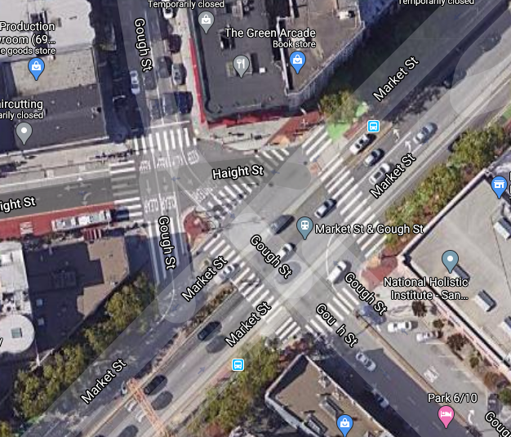
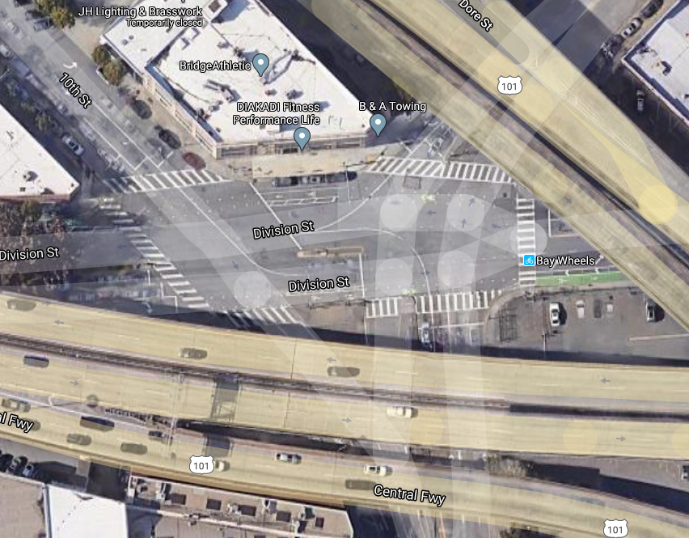
I : Number for Road Type - corresponds back to the type of road on column H |  |  | Examples of complex geometry
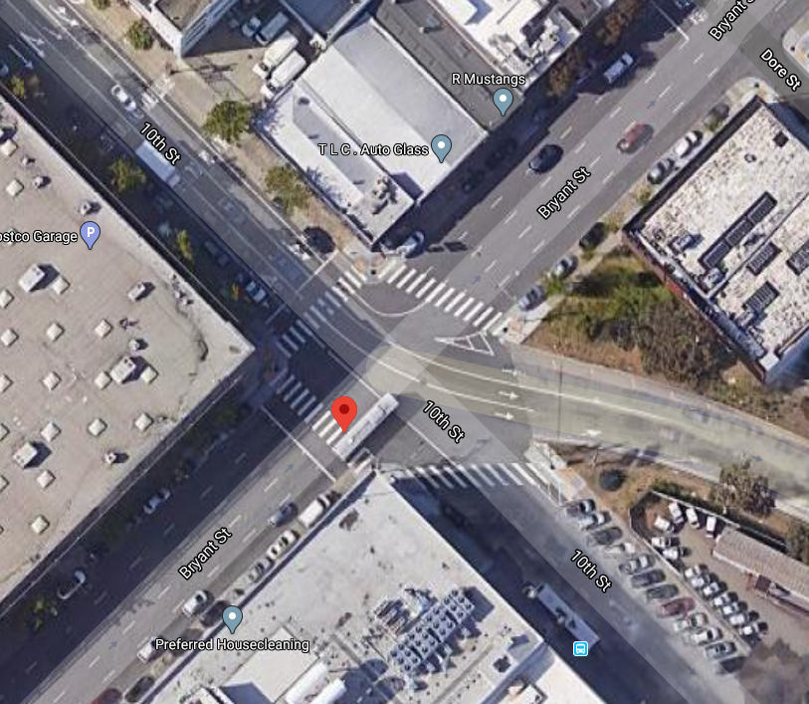
K : Location - the location of the crash.
L : Congestion - is found using travel time / travel time during off-peak (2am)
M : Intersection - 1 = occurred at intersection; 0 = did not occur at intersection
N : Intersection Geometry - 0 = straight road; 1 = Y - intersection (identifiable Y intersections and slip-lanes); 2 = T - intersection; 3 = Cross intersection; 4 = complex geometry |  | .->
O : Signal - 1 = signal was present; 0 = no signal
P : Parking Provision - 1 = there was parking available near the crash; 0 = no parking
Q : Number of vehicles involved
R : The mode in which the testing car was in - 1 = Autonomous; 0 = Conventional
S : Vehicle1 Status - If testing vehicle was moving or not at the time of collision
T : Vehicle2 Status - If external vehicle was moving or not at the time of collision
U : Fault - Whether the testing vehicle was at fault or not - this is based off the description written by the manufacturers in the report
V : Vehicles1 Damage - A section of the report outlines the damages inflicted; 1 - unknown; 2 - none; 3 - minor; 4 - moderate; 5 - major
W : Similarly to Column V but for the external vehicle. This was based off the description given by the manufacturer as the report does no have a section to showcase the damage inflicted by the external car.
X, Y, Z, AA, AB and AC: from the crash report (Figure 1.)
AC : correlates to AD
AE, AF, AG is based off the description (accident details) from the manufacturer | Please note that crash reported from the 14/10/2014 to 29/03/2018 have not reported Page 3 (Figure 1.) hence why the earlier section of these columns are empty.

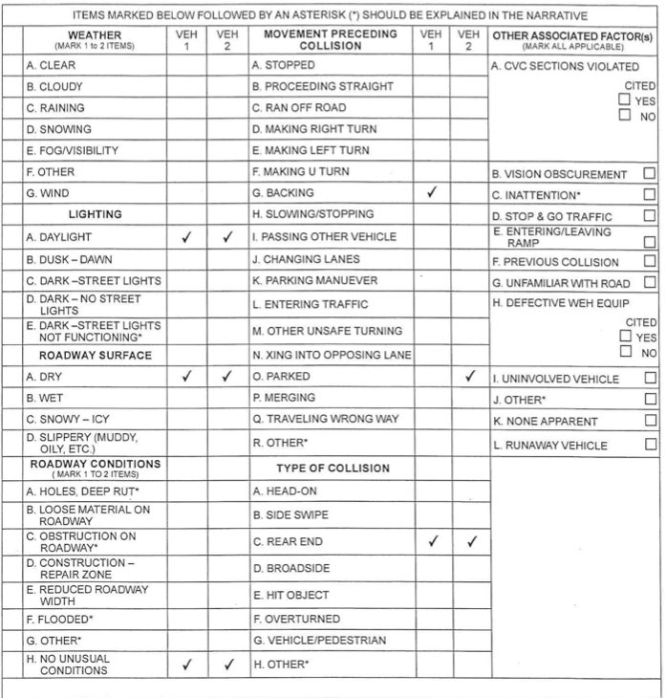
 | Figure 1. An example of Page 3 from the crash report

Variables
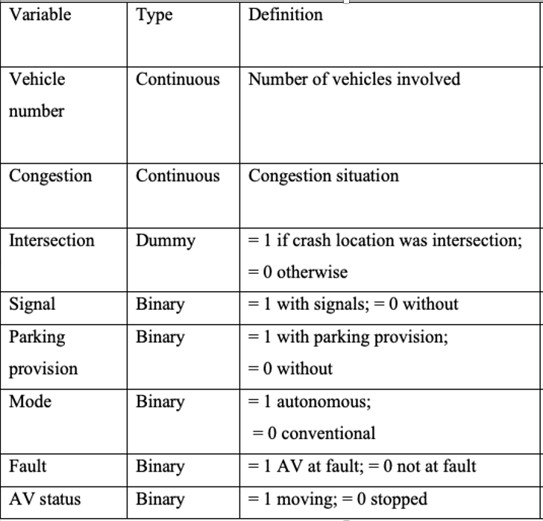
 | Total | F(1) | F(0)
Intersection | 259 | 63% | 37%

signal | Total | F(1) | F(0)
 | 259 | 49% | 51%

parking provision | Total | F(1) | F(0)
 | 259 | 56% | 44%

mode | Total | F(1) | F(0)
 | 259 | 54% | 46%

Fault | Total | F(1) | F(0)
 | 259 | 12% | 88%

AV Status | Total | F(1) | F(0)
 | 259 | 57% | 43%
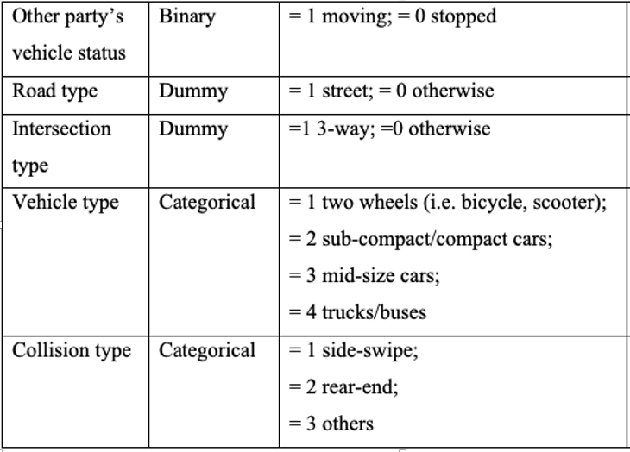

Other vehicle Status | Total | F(1) | F(0)
 | 246 | 95% | 5%

Road Type | Total | F(1) - street | F(0) - otherwise
 | 259 | 69% | 31%

Vehicle Type | Total | F(1) - two wheel | F(2) - compact/small | F(3)-mid | F(4)-large
 | 225 | 12% | 41% | 36% | 12%

Collision Type | Total | F(2) - side swipe | F(3) - rear-end | F(4) - other
 | 259 | 20% | 63% | 17%

Intersection Type | Total | F(0) - straight | F(1) - Y-intersection | F(2) - T-intersection | F(3) - cross intersection | F(4) - complex intersections
 | 244 | 9% | 11% | 15% | 59% | 5%

